Sheet1
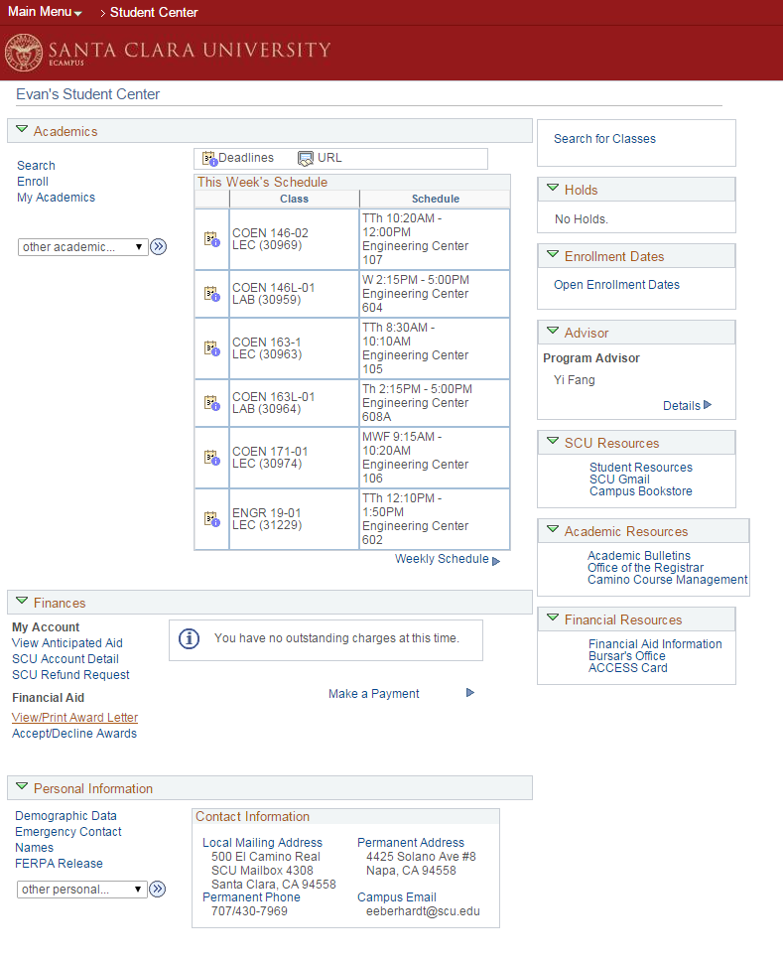
Violations |  | minor medium major
Note any violations that you find, and rate the severity. Feel free to provide multiple violations per heuristic.
Heuristic | Severity | Description
H7 | Major | Using browser back button can cause logout
H1 | Major | There is no indication of path from homepage to current subsection, and thus lack of ability to go to any of previous pages in the hierarchy.
H3, H5 | Medium | After going into a subsection, such as one of the options listed under "Personal Porfolio," it is not immediatelyobvious how to swich to another section or tab. The user must click a small drop down menu and navigate from there, or be forced to the home page. Some pages, like "Personal Data Summary" have no obvious indication of how to get back to other pages.
H2, H4 | Major | "My Page" leads to ads and sponsorships instead of profile information, and may mislead a user looking for profile information. Inconsistent with "Personal Portfolio."
H4 | Minor | "Personal Portfolio" area and "Personal Information" tabs are separate but contain same/similar information, but have different sections/names.
H4 | Minor | "Ferpa Release" is contained within both "Personal Information" and "Student Records," inconsistent.
H7 | Major | Ecampus is the only way to get to "Manage On Campus Housing," but does not include a go back function between the two.
H10 | Major | Help and dumentation is lacking/nonexistent
H9 | Medium | You can go through the entire process of adding a class up to the submit button, and only at the end be told that you can't register because it's not currently an enrollment period. The error appears way too late.
H6 | Minor | There is a steep learning curve to using the unintuitive design
H9, H4, H5 | Major | I'm able to click "My Academics" and then use a drop down menu to pick "Student Center" to get a version of the home page that does not include the left-most tab. Breaks the design of the site (screenshot).
H8, H3 | Minor | Style is clunky. I am unable to edit the contents of "My Page" even inside a window called "Personalize Content" in which the check-boxes are permanently checked.

Conformity
If for a particular heuristic you did not find a violation, state at least one way in which the website ensured conformity.
Heuristic | Description
H3 | There is, at least, some control over the layout of pages, but only inasfar as how many columns there are and on which column content goes.

